Title Page
UNL-Meat Goat Budget Tool

An Excel spreadsheet for evaluating the value of potential meat goat production revenue, expenses, and profitability

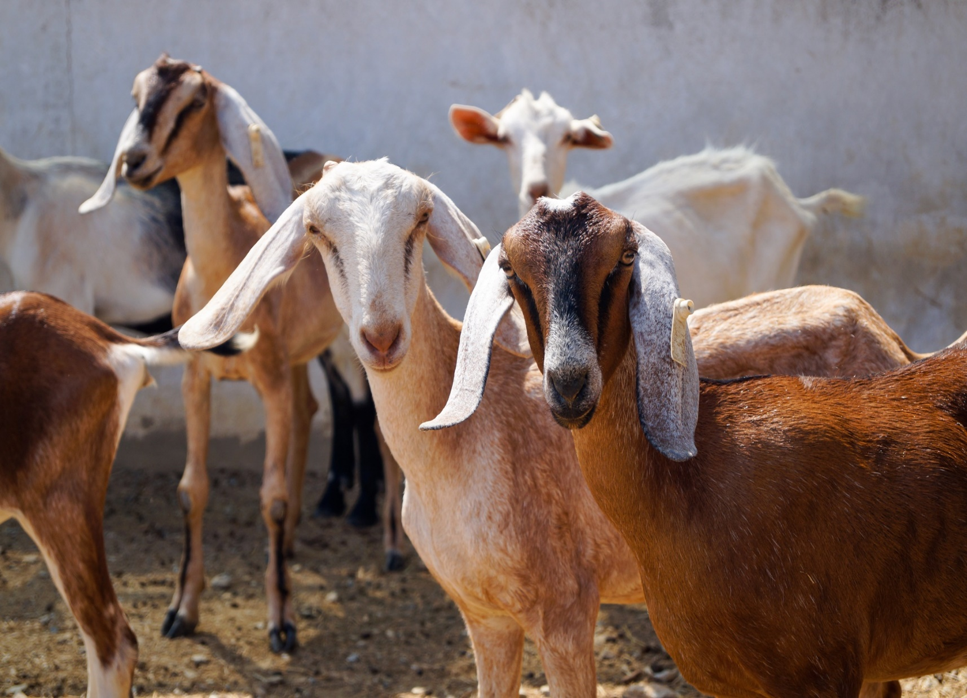
 |  | Version: 2021-04-01

INTRODUCTION
 | The University of Nebraska - Lincoln meat goat budget tool was developed to help producers determine the value of goat production. This tool is NOT intended to represent any one operation but rather market prices and average costs estimates. Each individual operation should adjust key inputs and local market prices to reflect their own situation.

FOR MORE INFORMATION:
Developed by:

Daniel Gertner, Graduate Student, Department of Agricultural Economics, University of Nebraska – Lincoln
Elliott Dennis, PhD, Department of Agricultural Economics, University of Nebraska – Lincoln
Randy Saner, Lincoln-Logan-McPherson County Extension, University of Nebraska-Lincoln
Glennis McClure, Department of Agricultural Economics, University of Nebraska-Lincoln

ACKNOWLEDGEMENTS:
The authors would like to thank the Nebraska Sheep and Goat Producers Association members and the Nebraska Meat Goat Producers for assistance in developing this budget information.

Instructions
UNL-Meat Goat Budget Tool

An Excel spreadsheet for evaluating the value of potential meat goat production revenue, expenses, and profitability

 |  | Version: 2021-04-01

 | Budget Instructions
 | (1) The "Summary Budget" tab includes total income, total costs, and net revenue, plus breakeven calculations.

 | (2) DO NOT input numbers directly in the "Summary Budget" tab.

 | (3) Instead, input numbers directly into "Production Parameters", "Revenue", "Expenses - Variable", "Expenses - Fixed", "Non-Farm Adjustments", and "Taxes" tabs.

 | (4) Only input numbers and data into the yellow cells. Other numbers will automatically calculate and fill.

Introduction
The University of Nebraska-Lincoln Department of Agricultural Economics Extension and Outreach program has developed sheep and goat budget templates for use by producers in Nebraska. The budget templates contain an interface in which producers can customize production parameters to their specific operations. Enterprise budgets can serve as a useful guide for producers as they make management decisions.
How to Use
Both the sheep and goat production budgets are organized identically and are designed to operate in the same way. The budgets include:
Instructions – Provides instructions for how to navigate the spreadsheet.
Summary Budget – Includes total income, variable cost, fixed cost, and breakeven calculations.
Production Parameters – Contains customizable general flock, feed, and asset value information.
Revenue – Contains a breakdown of the revenue components of sheep/goat production.
Expenses -Variable – Includes a breakdown of production expenses that vary from year-to-year.
Expenses - Fixed – Includes a breakdown of fixed and overhead expenses.
Taxes – Contains common taxes paid by sheep/goat producers.
Non-Farm Adjustments – Contains sources of other on and off-farm income that producers may include in their sheep or goat budgets.
To use, please follow the following guidelines:
The “Summary Budget” tab summarizes totals from the various budget worksheets or tabs.
Worksheet users should input numbers directly into the yellow highlighted cells in the “Production Parameters”, “Revenue”, “Expenses – Variable”, “Expenses – Fixed”, “Non-Farm Adjustments”, and “Taxes” tabs.
Methods
The market prices, average cost estimates, and production parameters outlined in the budget are obtained through input from producers.
First, sample production budgets from Nebraska sheep and goat producers were reviewed.
Second, a sample production budgets were built using data provided by the producers.
Third, the budget template and figures were presented at the annual Nebraska sheep and goat producer meetings.
Fourth, adjustments were made to the budgets according to producers’ comments. Fifth, final production budgets were assembled.
Assumptions
Several assumptions were made in an effort to create a sheep budget representative of average operations. A few of the key assumptions are:
Goat Budget
Herd Size: 70 does
Kids Born: 105 head/year
Kids Weaned: 93 head/year
Kid Weaning Weight: 45 pounds
Kids Sold at Weaning: 25 head/year
Total Kids Finished: 66 head/year
Conclusion
The University of Nebraska-Lincoln sheep and goat budget templates were developed to help producers project the value of sheep production and net revenue. This tool is not intended to represent any one operation, but rather to reflect production rates, market prices, and average cost estimates. Each individual operation should adjust key inputs and local market prices to reflect their own situation.

